Fig. 1
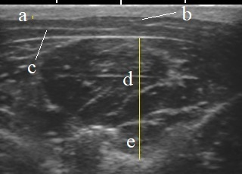
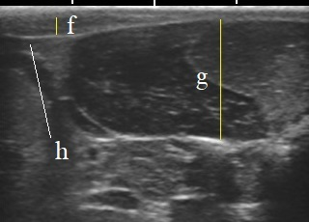

 | (A) | (B)
Fig. 1. Measurement of subcutaneous adipose tissue and muscle thickness at the 6-7th ribs (A) and immediately caudal to the 13th rib (B)
a: Back fat thickness at the 6-7th ribs, b: Trapezius muscle, c: Latissimus dorsi muscle, d: Longissimus thoracis muscle, e: Semispinalis capitis muscle, f: Back fat thickness at the 13th rib, g: Longissimus dorsi muscle, and h: Serratus posterior muscle

Fig. 2
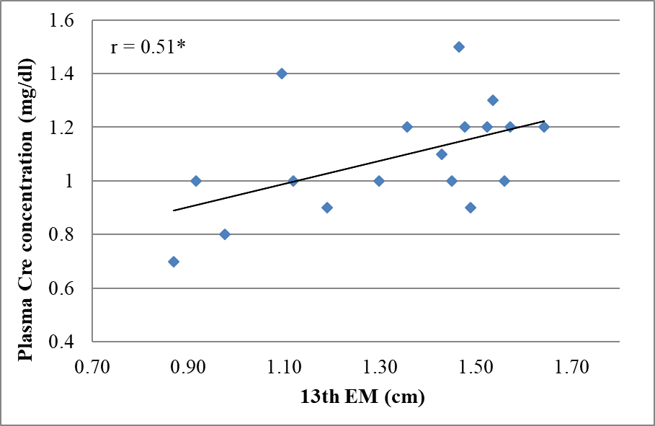
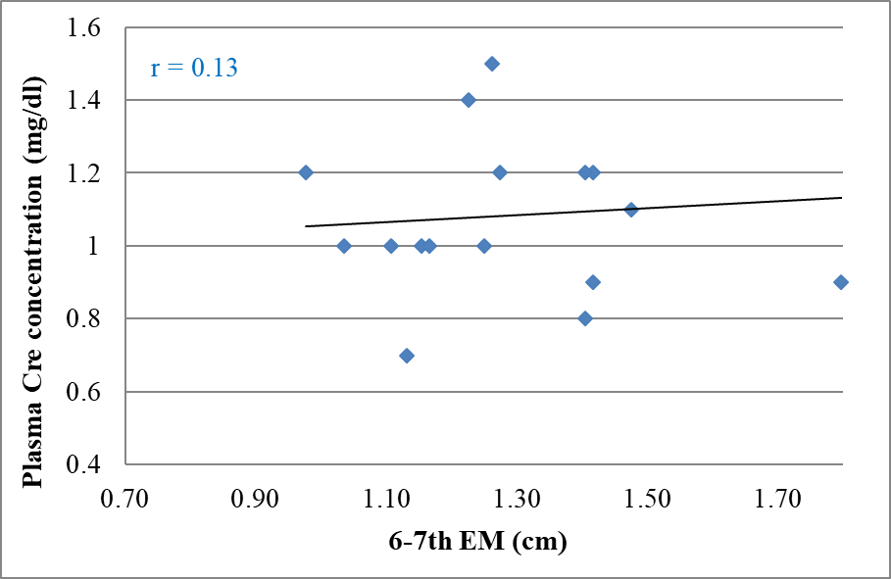

 | (A) | (B)

Fig. 2. Relationships between plasma creatinine concentration and 13th (A) or 6-7th (B) epaxial muscle thickness in cats showing IRIS Stage I chronic kidney disease (<1.6 mg/kg of creatinine concentration)
Values are presented as the correlation coefficients.
* Significant correlation based on the Pearson's correlation coefficient (P<0.05)
Cre: creatinine, EM: epacial muscle thickness

Fig. 3
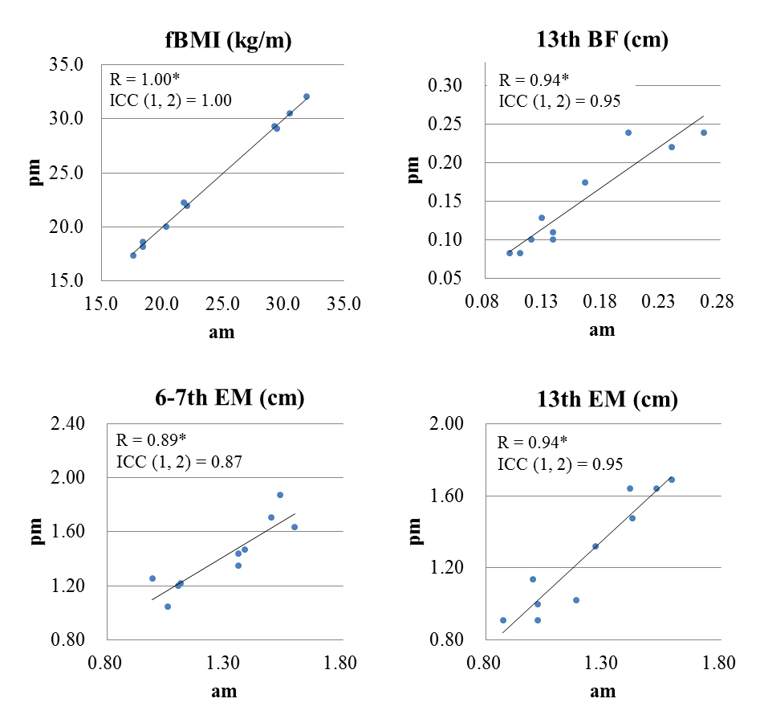

Fig. 3. Relationships of each parameter between morning and afternoon in cats
Values are presented as the correlation coefficients.
* Significant correlation based on the Pearson's correlation coefficient (P<0.05)
ICC (1,2) of >0.75 was associated with excellent reliability.
fBMI: feline body mass index, BF: back fat thickness, EM: epaxial muscle thickness, ICC: intraclass correlation coefficient

